Type Chart
 |  | DEFENDING
 |  | Basic | Fire | Water | Plant | Spark | Beast | Air | Insect | Earth | Mind | Melee | Food | Light | Crystal | Metal | Spirit | Ice | Dark | Poison | Mythic | None
ATTACKING | Basic | 1 | 1 | 1 | 1 | 1 | 1 | 1 | 1 | 1 | 1 | 1 | 1 | 1 | 1 | 0.5 | 0 | 1 | 1 | 1 | 0.5 | 1
 | Fire | 1 | 0.5 | 0.5 | 2 | 1 | 2 |  | 2 | 0.5 | 1 | 1 | 2 | 1 | 0.5 | 2 | 1 | 2 | 1 | 1 | 0.5 | 1
 | Water | 1 | 2 | 0.5 | 0.5 | 1 | 1 |  |  | 2 | 1 | 1 | 2 | 1 | 1 | 1 | 1 | 1 | 1 | 1 | 0.5 | 1
 | Plant | 1 | 0.5 | 2 | 0.5 | 1 | 1 | 0.5 | 0.5 | 2 | 1 | 1 | 1 | 2 | 1 | 0.5 | 1 | 1 | 1 | 1 | 0.5 | 1
 | Spark | 1 | 1 | 2 | 0.5 | 0.5 | 2 | 2 | 2 | 0 | 1 | 1 | 0.5 | 1 | 0.5 | 1 | 1 | 1 | 1 | 1 | 0.5 | 1
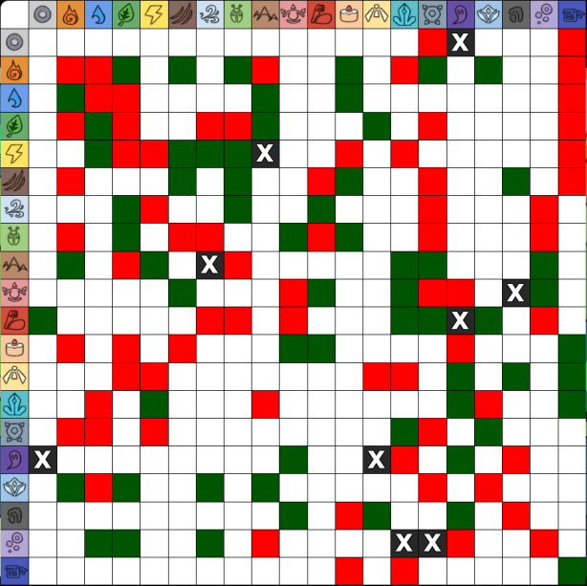
 | Beast | 1 | 0.5 | 1 | 1 | 1 | 2 | 1 | 2 | 1 | 1 | 0.5 | 2 | 1 | 1 | 0.5 | 1 | 1 | 2 | 1 | 0.5 | 1
 | Air | 1 | 1 | 1 | 2 | 0.5 | 1 | 1 | 2 | 1 | 1 | 2 | 1 | 1 | 1 | 0.5 | 1 | 1 | 1 | 0.5 | 1 | 1
 | Insect | 1 | 0.5 | 1 | 2 | 1 | 0.5 | 0.5 | 1 | 1 | 2 | 0.5 | 2 | 1 | 1 | 0.5 | 1 | 1 | 1 | 0.5 | 1 | 1
 | Earth | 1 | 2 | 1 | 0.5 | 2 | 1 | 0 | 0.5 | 1 | 1 | 1 | 1 | 1 | 2 | 2 | 1 | 1 | 1 | 2 | 1 | 1
 | Mind | 1 | 1 | 1 | 1 | 1 | 2 | 1 | 1 | 1 | 0.5 | 2 | 1 | 1 | 2 | 0.5 | 0.5 | 1 | 0 | 2 | 1 | 1
 | Melee | 2 | 1 | 1 | 1 | 1 | 1 | 0.5 | 0.5 | 1 | 0.5 | 1 | 1 | 1 | 2 | 2 | 0 | 2 | 1 | 0.5 | 1 | 1
 | Food | 1 | 0.5 | 1 | 0.5 | 1 | 0.5 | 1 | 1 | 1 | 2 | 2 | 1 | 1 | 1 | 1 | 0.5 | 1 | 1 | 1 | 2 | 1
 | Light | 1 | 1 | 1 | 0.5 | 1 | 1 | 1 | 1 | 1 | 1 | 1 | 1 | 0.5 | 0.5 | 1 | 2 | 1 | 2 | 1 | 2 | 1
 | Crystal | 1 | 1 | 0.5 | 1 | 2 | 1 | 1 | 1 | 0.5 | 1 | 1 | 1 | 1 | 1 | 1 | 2 | 0.5 | 1 | 1 | 2 | 1
 | Metal | 1 | 0.5 | 0.5 | 1 | 1 | 1 | 1 | 1 | 1 | 1 | 1 | 1 | 1 | 2 | 0.5 | 1 | 2 | 1 | 1 | 1 | 1
 | Spirit | 0 | 1 | 1 | 1 | 1 | 1 | 1 | 1 | 1 | 2 | 1 | 1 | 0 | 0.5 | 1 | 2 | 1 | 1 | 1 | 1 | 1
 | Ice | 1 | 2 | 0.5 | 2 | 1 | 1 | 2 | 1 | 2 | 1 | 1 | 1 | 1 | 1 | 0.5 | 1 | 0.5 | 1 | 1 | 1 | 1
 | Dark | 1 | 1 | 1 | 1 | 1 | 1 | 1 | 1 | 1 | 2 | 1 | 0.5 | 2 | 1 | 1 | 1 | 1 | 0.5 | 1 | 1 | 1
 | Poison | 1 | 1 | 2 | 2 | 1 | 1 | 2 | 1 | 0.5 | 1 | 1 | 1 | 1 | 0 | 0 | 0.5 | 1 | 1 | 0.5 | 1 | 1
 | Mythic | 1 | 1 | 1 | 1 | 1 | 1 | 1 | 1 | 1 | 1 | 1 | 0.5 | 1 | 0.5 | 1 | 1 | 1 | 1 | 1 | 2 | 1

 |  | ATTACKING
 |  | Basic | Fire | Water | Plant | Spark | Beast | Air | Insect | Earth | Mind | Melee | Food | Light | Crystal | Metal | Spirit | Ice | Dark | Poison | Mythic
DEFNDING | Basic | 1 | 1 | 1 | 1 | 1 | 1 | 1 | 1 | 1 | 1 | 2 | 1 | 1 | 1 | 1 | 0 | 1 | 1 | 1 | 1
 | Fire | 1 | 0.5 | 2 | 0.5 | 1 | 0.5 | 1 | 0.5 | 2 | 1 | 1 | 0.5 | 1 | 1 | 0.5 | 1 | 2 | 1 | 1 | 1
 | Water | 1 | 0.5 | 0.5 | 2 | 2 | 1 | 1 | 1 | 1 | 1 | 1 | 1 | 1 | 0.5 | 0.5 | 1 | 0.5 | 1 | 2 | 1
 | Plant | 1 | 2 | 0.5 | 0.5 | 0.5 | 1 | 2 | 2 | 0.5 | 1 | 1 | 0.5 | 0.5 | 1 | 1 | 1 | 2 | 1 | 2 | 1
 | Spark | 1 | 1 | 1 | 1 | 0.5 | 1 | 0.5 | 1 | 2 | 1 | 1 | 1 | 0.5 | 2 | 0.5 | 1 | 1 | 1 | 1 | 1
 | Beast | 1 | 2 | 1 | 1 | 2 | 2 | 1 | 0.5 | 1 | 2 | 1 | 0.5 | 1 | 1 | 1 | 1 | 1 | 1 | 1 | 1
 | Air | 1 | 1 | 1 | 0.5 | 2 | 1 | 1 | 0.5 | 0 | 1 | 0.5 | 1 | 1 | 1 | 1 | 1 | 2 | 1 | 2 | 1
 | Insect | 1 | 2 | 1 | 0.5 | 2 | 2 | 2 | 1 | 0.5 | 1 | 0.5 | 1 | 1 | 1 | 1 | 1 | 1 | 1 | 1 | 1
 | Earth | 1 | 0.5 | 2 | 2 | 0 | 1 | 1 | 1 | 1 | 1 | 1 | 1 | 1 | 0.5 | 1 | 1 | 2 | 1 | 0.5 | 1
 | Mind | 1 | 1 | 1 | 1 | 1 | 1 | 1 | 2 | 1 | 0.5 | 0.5 | 2 | 1 | 1 | 1 | 2 | 1 | 2 | 1 | 1
 | Melee | 1 | 1 | 1 | 1 | 1 | 0.5 | 2 | 0.5 | 1 | 2 | 1 | 2 | 1 | 1 | 1 | 1 | 1 | 1 | 1 | 1
 | Food | 1 | 2 | 2 | 1 | 0.5 | 2 | 1 | 2 | 1 | 1 | 1 | 1 | 1 | 1 | 1 | 1 | 1 | 0.5 | 1 | 0.5
 | Light | 1 | 1 | 1 | 2 | 1 | 1 | 1 | 1 | 1 | 1 | 1 | 1 | 0.5 | 1 | 1 | 0 | 1 | 2 | 1 | 1
 | Crystal | 1 | 0.5 | 1 | 1 | 0.5 | 1 | 1 | 1 | 2 | 2 | 2 | 1 | 0.5 | 1 | 2 | 0.5 | 1 | 1 | 0 | 0.5
 | Metal | 0.5 | 1 | 1 | 0.5 | 1 | 0.5 | 0.5 | 0.5 | 2 | 0.5 | 2 | 1 | 1 | 1 | 0.5 | 1 | 0.5 | 1 | 0 | 1
 | Spirit | 0 | 1 | 1 | 1 | 1 | 1 | 1 | 1 | 1 | 0.5 | 0 | 0.5 | 2 | 2 | 1 | 2 | 1 | 2 | 0.5 | 1
 | Ice | 1 | 2 | 1 | 1 | 1 | 1 | 1 | 1 | 1 | 1 | 2 | 1 | 1 | 1 | 2 | 1 | 0.5 | 1 | 1 | 1
 | Dark | 1 | 1 | 1 | 1 | 1 | 2 | 1 | 1 | 1 | 0 | 1 | 1 | 2 | 1 | 1 | 0.5 | 1 | 0.5 | 1 | 1
 | Poison | 1 | 1 | 1 | 1 | 1 | 1 | 0.5 | 0.5 | 2 | 2 | 0.5 | 1 | 1 | 1 | 1 | 1 | 1 | 1 | 0.5 | 1
 | Mythic | 0.5 | 0.5 | 0.5 | 0.5 | 0.5 | 0.5 | 1 | 1 | 1 | 1 | 1 | 2 | 2 | 2 | 1 | 1 | 1 | 1 | 1 | 2
 | None | 1 | 1 | 1 | 1 | 1 | 1 | 1 | 1 | 1 | 1 | 1 | 1 | 1 | 1 | 1 | 1 | 1 | 1 | 1 | 1

